Sheet1
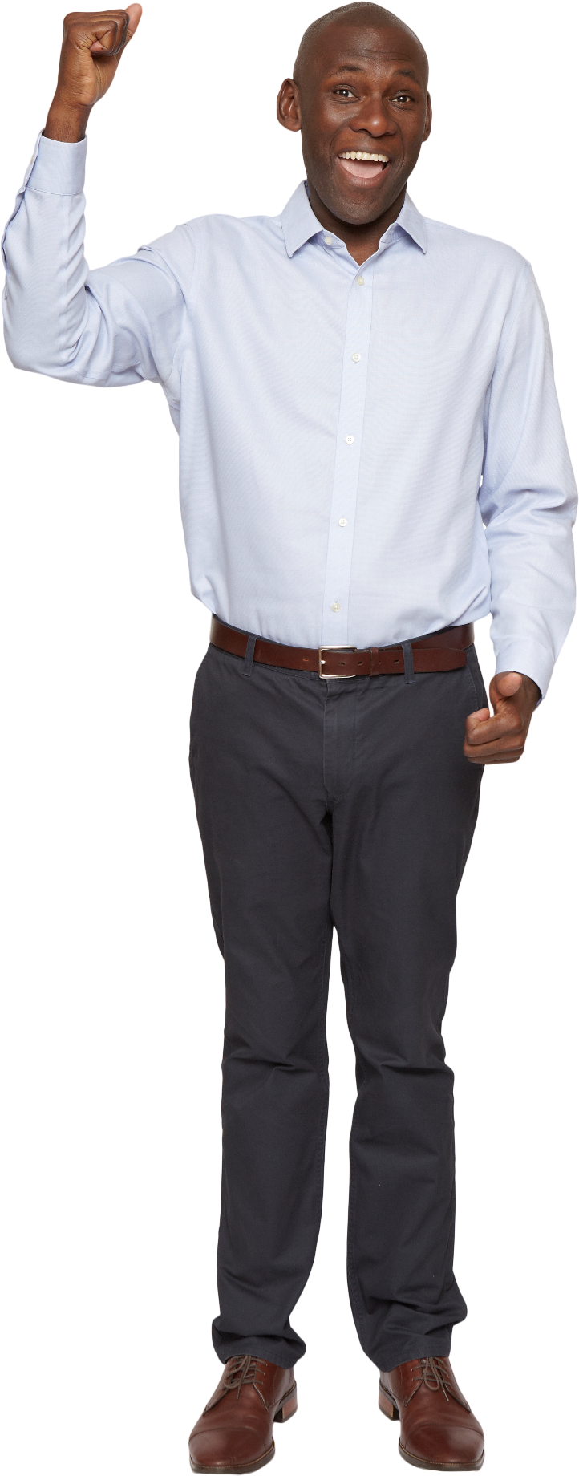
String | Answer Expected
zQ25aWEt9 | atzEQW259
5oN00TH47M8jQp5dfY4Io | dfjoopHIMNQTY00445578
v9DuVnfHEiznuxAq4H7c | cfinnquuvxzADEHHV479
9052034 | 0023459
oto2L4G5z685Jt7z | oottzzGJL2455678
zjw6cgvtokeq | cegjkoqtvwz6
I5DJLL087E8H | DEHIJLL05788
UalCYTrwbMIhSyy | abhlrwyyCIMSTUY
Xa89vO | avOX89
Sort the strings within the cells.
Small letters in sorted order first
Capital letters in sorted order second
Numerals in sorted order third

